grafico Markov e MTTF
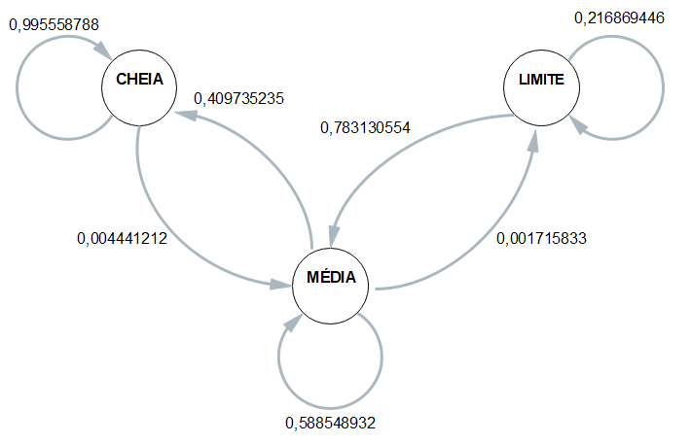
 | ESP1 | ESP2 | ESP3 | ESP4 | MÉDIA
CC | 0.99526066351 | 0.99545454545 | 0.99565217391 | 0.9958677686 | 0.99555878787
CM | 0.0047393364929 | 0.0045454545455 | 0.004347826087 | 0.004132231405 | 0.0044412121326
CB | 0 | 0 | 0 | 0 | 0

MC | 0.42074363992 | 0.42242242242 | 0.40591133005 | 0.38986354776 | 0.40973523504
MM | 0.5782778865 | 0.57657657658 | 0.59310344828 | 0.60623781676 | 0.58854893203
MB | 0.00097847358121 | 0.001001001001 | 0.00098522167488 | 0.0038986354776 | 0.0017158329337

BC | 0 | 0 | 0 | 0 | 0
BM | 0.79545454545 | 0.76 | 0.68421052632 | 0.89285714286 | 0.78313055366
BB | 0.20454545455 | 0.24 | 0.31578947368 | 0.10714285714 | 0.21686944634

 | Esp1 | Esp2 | Esp3 | Esp4 |  | média
Hora Inicial | 13:24:56 | 13:29:23 | 13:34:56 | 13:24:56 |  | 13:28:33
Hora Limite 2,8 | 17:00:26 | 16:52:23 | 17:02:16 | 16:58:26 |  | 16:58:23
Hora Final | 17:07:46 | 17:00:43 | 17:08:36 | 17:07:46 | MTTF | 17:06:13
total de horas até 2,8 | 3:35:30 | 3:23:00 | 3:27:20 | 3:33:30 | 3:29:50 | 3:29:50

